Rod Calculations
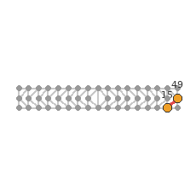
STEEL TRUSS SIMULATOR — ROD CALCULATIONS (picture + force vectors)
Left: this rod's true location in the truss. Middle/Right: the free-body diagram at each end node (every rod, load, and reaction converging there).

Rod 0 (Node 0 → Node 1) L=4.000 m N=+1.38 kN [Tension] profile="Bottom chord"
Location in truss | End A — Node 0 | End B — Node 1
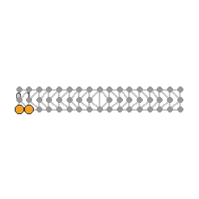
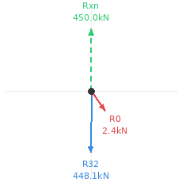
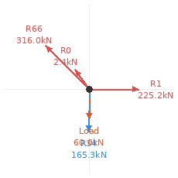

Rod 1 (Node 1 → Node 2) L=4.000 m N=+225.18 kN [Tension] profile="Bottom chord"
Location in truss | End A — Node 1 | End B — Node 2
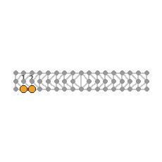
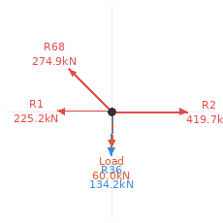

Rod 2 (Node 2 → Node 3) L=4.000 m N=+419.68 kN [Tension] profile="Bottom chord"
Location in truss | End A — Node 2 | End B — Node 3
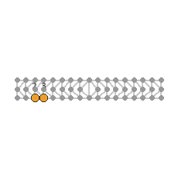
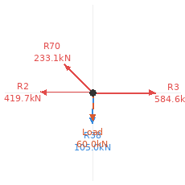

Rod 3 (Node 3 → Node 4) L=4.000 m N=+584.55 kN [Tension] profile="Bottom chord"
Location in truss | End A — Node 3 | End B — Node 4
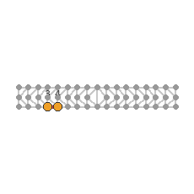
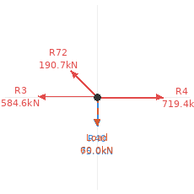

Rod 4 (Node 4 → Node 5) L=4.000 m N=+719.38 kN [Tension] profile="Bottom chord"
Location in truss | End A — Node 4 | End B — Node 5
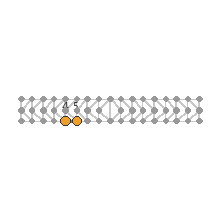
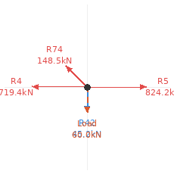

Rod 5 (Node 5 → Node 6) L=4.000 m N=+824.23 kN [Tension] profile="Bottom chord"
Location in truss | End A — Node 5 | End B — Node 6
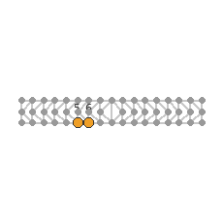
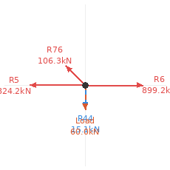

Rod 6 (Node 6 → Node 7) L=4.000 m N=+899.18 kN [Tension] profile="Bottom chord"
Location in truss | End A — Node 6 | End B — Node 7
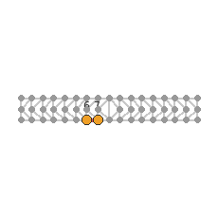
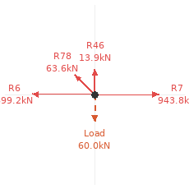

Rod 7 (Node 7 → Node 8) L=4.000 m N=+943.77 kN [Tension] profile="Bottom chord"
Location in truss | End A — Node 7 | End B — Node 8

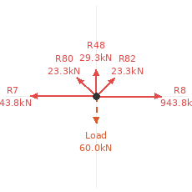

Rod 8 (Node 8 → Node 9) L=4.000 m N=+943.77 kN [Tension] profile="Bottom chord"
Location in truss | End A — Node 8 | End B — Node 9
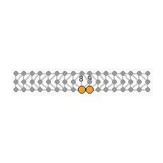
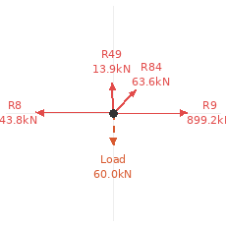

Rod 9 (Node 9 → Node 10) L=4.000 m N=+899.18 kN [Tension] profile="Bottom chord"
Location in truss | End A — Node 9 | End B — Node 10
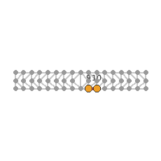
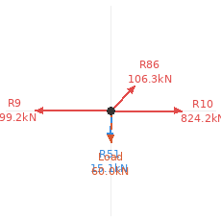

Rod 10 (Node 10 → Node 11) L=4.000 m N=+824.23 kN [Tension] profile="Bottom chord"
Location in truss | End A — Node 10 | End B — Node 11
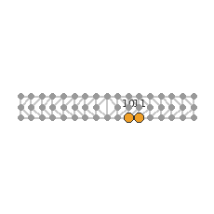


Rod 11 (Node 11 → Node 12) L=4.000 m N=+719.38 kN [Tension] profile="Bottom chord"
Location in truss | End A — Node 11 | End B — Node 12
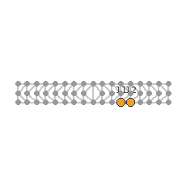
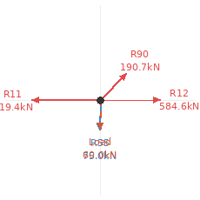

Rod 12 (Node 12 → Node 13) L=4.000 m N=+584.55 kN [Tension] profile="Bottom chord"
Location in truss | End A — Node 12 | End B — Node 13
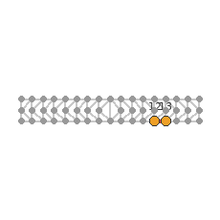
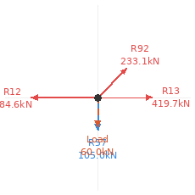

Rod 13 (Node 13 → Node 14) L=4.000 m N=+419.68 kN [Tension] profile="Bottom chord"
Location in truss | End A — Node 13 | End B — Node 14
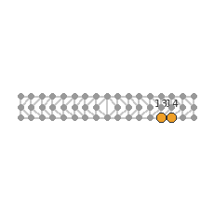
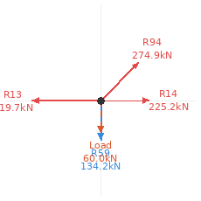

Rod 14 (Node 14 → Node 15) L=4.000 m N=+225.18 kN [Tension] profile="Bottom chord"
Location in truss | End A — Node 14 | End B — Node 15
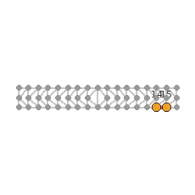
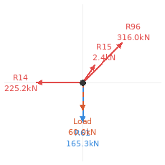

Rod 15 (Node 15 → Node 16) L=4.000 m N=+1.38 kN [Tension] profile="Bottom chord"
Location in truss | End A — Node 15 | End B — Node 16
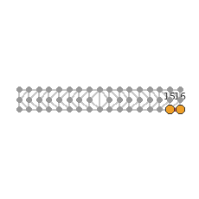
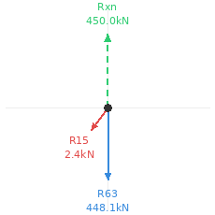

Rod 16 (Node 17 → Node 18) L=4.000 m N=-1.08 kN [Compression] profile="Top chord"
Location in truss | End A — Node 17 | End B — Node 18
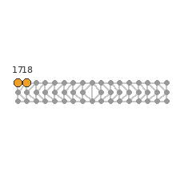
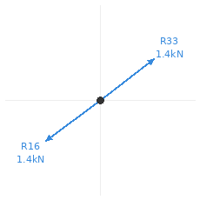
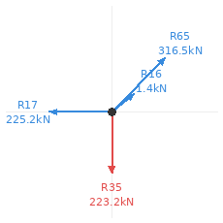

Rod 17 (Node 18 → Node 19) L=4.000 m N=-225.22 kN [Compression] profile="Top chord"
Location in truss | End A — Node 18 | End B — Node 19
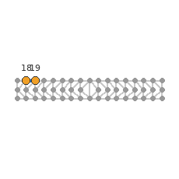
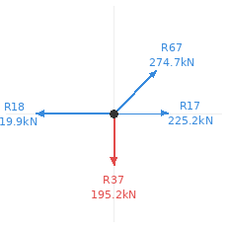

Rod 18 (Node 19 → Node 20) L=4.000 m N=-419.88 kN [Compression] profile="Top chord"
Location in truss | End A — Node 19 | End B — Node 20
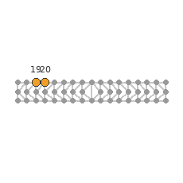
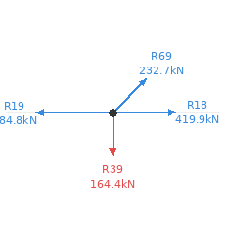

Rod 19 (Node 20 → Node 21) L=4.000 m N=-584.75 kN [Compression] profile="Top chord"
Location in truss | End A — Node 20 | End B — Node 21
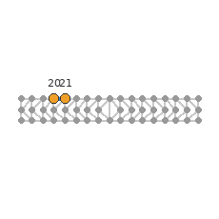
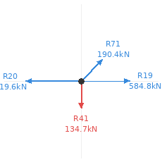

Rod 20 (Node 21 → Node 22) L=4.000 m N=-719.61 kN [Compression] profile="Top chord"
Location in truss | End A — Node 21 | End B — Node 22
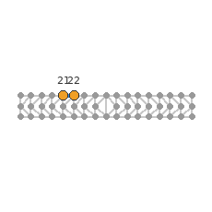


Rod 21 (Node 22 → Node 23) L=4.000 m N=-824.47 kN [Compression] profile="Top chord"
Location in truss | End A — Node 22 | End B — Node 23
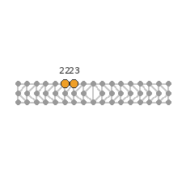


Rod 22 (Node 23 → Node 24) L=4.000 m N=-899.44 kN [Compression] profile="Top chord"
Location in truss | End A — Node 23 | End B — Node 24
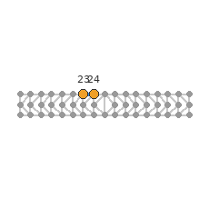
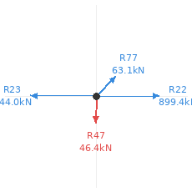

Rod 23 (Node 24 → Node 25) L=4.000 m N=-944.03 kN [Compression] profile="Top chord"
Location in truss | End A — Node 24 | End B — Node 25
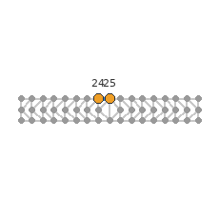
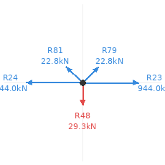

Rod 24 (Node 25 → Node 26) L=4.000 m N=-944.03 kN [Compression] profile="Top chord"
Location in truss | End A — Node 25 | End B — Node 26
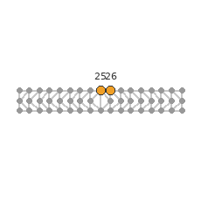
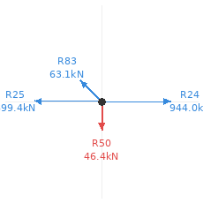

Rod 25 (Node 26 → Node 27) L=4.000 m N=-899.44 kN [Compression] profile="Top chord"
Location in truss | End A — Node 26 | End B — Node 27

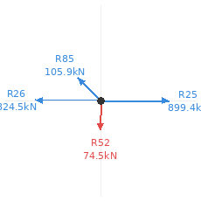

Rod 26 (Node 27 → Node 28) L=4.000 m N=-824.47 kN [Compression] profile="Top chord"
Location in truss | End A — Node 27 | End B — Node 28



Rod 27 (Node 28 → Node 29) L=4.000 m N=-719.61 kN [Compression] profile="Top chord"
Location in truss | End A — Node 28 | End B — Node 29



Rod 28 (Node 29 → Node 30) L=4.000 m N=-584.75 kN [Compression] profile="Top chord"
Location in truss | End A — Node 29 | End B — Node 30



Rod 29 (Node 30 → Node 31) L=4.000 m N=-419.88 kN [Compression] profile="Top chord"
Location in truss | End A — Node 30 | End B — Node 31



Rod 30 (Node 31 → Node 32) L=4.000 m N=-225.22 kN [Compression] profile="Top chord"
Location in truss | End A — Node 31 | End B — Node 32



Rod 31 (Node 32 → Node 33) L=4.000 m N=-1.08 kN [Compression] profile="Top chord"
Location in truss | End A — Node 32 | End B — Node 33



Rod 32 (Node 0 → Node 34) L=4.000 m N=-448.07 kN [Compression] profile="End post"
Location in truss | End A — Node 0 | End B — Node 34



Rod 33 (Node 34 → Node 17) L=4.000 m N=-0.82 kN [Compression] profile="End post"
Location in truss | End A — Node 34 | End B — Node 17


Rod 34 (Node 1 → Node 35) L=4.000 m N=-165.26 kN [Compression] profile="Vertical"
Location in truss | End A — Node 1 | End B — Node 35



Rod 35 (Node 35 → Node 18) L=4.000 m N=+223.25 kN [Tension] profile="Vertical"
Location in truss | End A — Node 35 | End B — Node 18


Rod 36 (Node 2 → Node 36) L=4.000 m N=-134.18 kN [Compression] profile="Vertical"
Location in truss | End A — Node 2 | End B — Node 36



Rod 37 (Node 36 → Node 19) L=4.000 m N=+195.15 kN [Tension] profile="Vertical"
Location in truss | End A — Node 36 | End B — Node 19


Rod 38 (Node 3 → Node 37) L=4.000 m N=-105.02 kN [Compression] profile="Vertical"
Location in truss | End A — Node 3 | End B — Node 37



Rod 39 (Node 37 → Node 20) L=4.000 m N=+164.41 kN [Tension] profile="Vertical"
Location in truss | End A — Node 37 | End B — Node 20


Rod 40 (Node 4 → Node 38) L=4.000 m N=-74.98 kN [Compression] profile="Vertical"
Location in truss | End A — Node 4 | End B — Node 38



Rod 41 (Node 38 → Node 21) L=4.000 m N=+134.67 kN [Tension] profile="Vertical"
Location in truss | End A — Node 38 | End B — Node 21


Rod 42 (Node 5 → Node 39) L=4.000 m N=-45.17 kN [Compression] profile="Vertical"
Location in truss | End A — Node 5 | End B — Node 39



Rod 43 (Node 39 → Node 22) L=4.000 m N=+104.81 kN [Tension] profile="Vertical"
Location in truss | End A — Node 39 | End B — Node 22


Rod 44 (Node 6 → Node 40) L=4.000 m N=-15.06 kN [Compression] profile="Vertical"
Location in truss | End A — Node 6 | End B — Node 40



Rod 45 (Node 40 → Node 23) L=4.000 m N=+74.52 kN [Tension] profile="Vertical"
Location in truss | End A — Node 40 | End B — Node 23


Rod 46 (Node 7 → Node 41) L=4.000 m N=+13.88 kN [Tension] profile="Vertical"
Location in truss | End A — Node 7 | End B — Node 41



Rod 47 (Node 41 → Node 24) L=4.000 m N=+46.36 kN [Tension] profile="Vertical"
Location in truss | End A — Node 41 | End B — Node 24


Rod 48 (Node 8 → Node 25) L=8.000 m N=+29.27 kN [Tension] profile="Vertical"
Location in truss | End A — Node 8 | End B — Node 25


Rod 49 (Node 9 → Node 42) L=4.000 m N=+13.88 kN [Tension] profile="Vertical"
Location in truss | End A — Node 9 | End B — Node 42



Rod 50 (Node 42 → Node 26) L=4.000 m N=+46.36 kN [Tension] profile="Vertical"
Location in truss | End A — Node 42 | End B — Node 26


Rod 51 (Node 10 → Node 43) L=4.000 m N=-15.06 kN [Compression] profile="Vertical"
Location in truss | End A — Node 10 | End B — Node 43



Rod 52 (Node 43 → Node 27) L=4.000 m N=+74.52 kN [Tension] profile="Vertical"
Location in truss | End A — Node 43 | End B — Node 27


Rod 53 (Node 11 → Node 44) L=4.000 m N=-45.17 kN [Compression] profile="Vertical"
Location in truss | End A — Node 11 | End B — Node 44



Rod 54 (Node 44 → Node 28) L=4.000 m N=+104.81 kN [Tension] profile="Vertical"
Location in truss | End A — Node 44 | End B — Node 28


Rod 55 (Node 12 → Node 45) L=4.000 m N=-74.98 kN [Compression] profile="Vertical"
Location in truss | End A — Node 12 | End B — Node 45



Rod 56 (Node 45 → Node 29) L=4.000 m N=+134.67 kN [Tension] profile="Vertical"
Location in truss | End A — Node 45 | End B — Node 29


Rod 57 (Node 13 → Node 46) L=4.000 m N=-105.02 kN [Compression] profile="Vertical"
Location in truss | End A — Node 13 | End B — Node 46



Rod 58 (Node 46 → Node 30) L=4.000 m N=+164.41 kN [Tension] profile="Vertical"
Location in truss | End A — Node 46 | End B — Node 30


Rod 59 (Node 14 → Node 47) L=4.000 m N=-134.18 kN [Compression] profile="Vertical"
Location in truss | End A — Node 14 | End B — Node 47



Rod 60 (Node 47 → Node 31) L=4.000 m N=+195.15 kN [Tension] profile="Vertical"
Location in truss | End A — Node 47 | End B — Node 31


Rod 61 (Node 15 → Node 48) L=4.000 m N=-165.26 kN [Compression] profile="Vertical"
Location in truss | End A — Node 15 | End B — Node 48



Rod 62 (Node 48 → Node 32) L=4.000 m N=+223.25 kN [Tension] profile="Vertical"
Location in truss | End A — Node 48 | End B — Node 32


Rod 63 (Node 16 → Node 49) L=4.000 m N=-448.07 kN [Compression] profile="End post"
Location in truss | End A — Node 16 | End B — Node 49



Rod 64 (Node 49 → Node 33) L=4.000 m N=-0.82 kN [Compression] profile="End post"
Location in truss | End A — Node 49 | End B — Node 33


Rod 65 (Node 34 → Node 18) L=5.657 m N=-316.46 kN [Compression] profile="Diagonal"
Location in truss | End A — Node 34 | End B — Node 18


Rod 66 (Node 34 → Node 1) L=5.657 m N=+316.03 kN [Tension] profile="Diagonal"
Location in truss | End A — Node 34 | End B — Node 1


Rod 67 (Node 35 → Node 19) L=5.657 m N=-274.65 kN [Compression] profile="Diagonal"
Location in truss | End A — Node 35 | End B — Node 19


Rod 68 (Node 35 → Node 2) L=5.657 m N=+274.86 kN [Tension] profile="Diagonal"
Location in truss | End A — Node 35 | End B — Node 2


Rod 69 (Node 36 → Node 20) L=5.657 m N=-232.71 kN [Compression] profile="Diagonal"
Location in truss | End A — Node 36 | End B — Node 20


Rod 70 (Node 36 → Node 3) L=5.657 m N=+233.09 kN [Tension] profile="Diagonal"
Location in truss | End A — Node 36 | End B — Node 3


Rod 71 (Node 37 → Node 21) L=5.657 m N=-190.35 kN [Compression] profile="Diagonal"
Location in truss | End A — Node 37 | End B — Node 21


Rod 72 (Node 37 → Node 4) L=5.657 m N=+190.74 kN [Tension] profile="Diagonal"
Location in truss | End A — Node 37 | End B — Node 4


Rod 73 (Node 38 → Node 22) L=5.657 m N=-148.05 kN [Compression] profile="Diagonal"
Location in truss | End A — Node 38 | End B — Node 22


Rod 74 (Node 38 → Node 5) L=5.657 m N=+148.48 kN [Tension] profile="Diagonal"
Location in truss | End A — Node 38 | End B — Node 5


Rod 75 (Node 39 → Node 23) L=5.657 m N=-105.86 kN [Compression] profile="Diagonal"
Location in truss | End A — Node 39 | End B — Node 23


Rod 76 (Node 39 → Node 6) L=5.657 m N=+106.31 kN [Tension] profile="Diagonal"
Location in truss | End A — Node 39 | End B — Node 6


Rod 77 (Node 40 → Node 24) L=5.657 m N=-63.10 kN [Compression] profile="Diagonal"
Location in truss | End A — Node 40 | End B — Node 24


Rod 78 (Node 40 → Node 7) L=5.657 m N=+63.57 kN [Tension] profile="Diagonal"
Location in truss | End A — Node 40 | End B — Node 7


Rod 79 (Node 41 → Node 25) L=5.657 m N=-22.84 kN [Compression] profile="Diagonal"
Location in truss | End A — Node 41 | End B — Node 25


Rod 80 (Node 41 → Node 8) L=5.657 m N=+23.32 kN [Tension] profile="Diagonal"
Location in truss | End A — Node 41 | End B — Node 8


Rod 81 (Node 42 → Node 25) L=5.657 m N=-22.84 kN [Compression] profile="Diagonal"
Location in truss | End A — Node 42 | End B — Node 25


Rod 82 (Node 42 → Node 8) L=5.657 m N=+23.32 kN [Tension] profile="Diagonal"
Location in truss | End A — Node 42 | End B — Node 8


Rod 83 (Node 43 → Node 26) L=5.657 m N=-63.10 kN [Compression] profile="Diagonal"
Location in truss | End A — Node 43 | End B — Node 26


Rod 84 (Node 43 → Node 9) L=5.657 m N=+63.57 kN [Tension] profile="Diagonal"
Location in truss | End A — Node 43 | End B — Node 9


Rod 85 (Node 44 → Node 27) L=5.657 m N=-105.86 kN [Compression] profile="Diagonal"
Location in truss | End A — Node 44 | End B — Node 27


Rod 86 (Node 44 → Node 10) L=5.657 m N=+106.31 kN [Tension] profile="Diagonal"
Location in truss | End A — Node 44 | End B — Node 10


Rod 87 (Node 45 → Node 28) L=5.657 m N=-148.05 kN [Compression] profile="Diagonal"
Location in truss | End A — Node 45 | End B — Node 28


Rod 88 (Node 45 → Node 11) L=5.657 m N=+148.48 kN [Tension] profile="Diagonal"
Location in truss | End A — Node 45 | End B — Node 11


Rod 89 (Node 46 → Node 29) L=5.657 m N=-190.35 kN [Compression] profile="Diagonal"
Location in truss | End A — Node 46 | End B — Node 29


Rod 90 (Node 46 → Node 12) L=5.657 m N=+190.74 kN [Tension] profile="Diagonal"
Location in truss | End A — Node 46 | End B — Node 12


Rod 91 (Node 47 → Node 30) L=5.657 m N=-232.71 kN [Compression] profile="Diagonal"
Location in truss | End A — Node 47 | End B — Node 30


Rod 92 (Node 47 → Node 13) L=5.657 m N=+233.09 kN [Tension] profile="Diagonal"
Location in truss | End A — Node 47 | End B — Node 13


Rod 93 (Node 48 → Node 31) L=5.657 m N=-274.65 kN [Compression] profile="Diagonal"
Location in truss | End A — Node 48 | End B — Node 31


Rod 94 (Node 48 → Node 14) L=5.657 m N=+274.86 kN [Tension] profile="Diagonal"
Location in truss | End A — Node 48 | End B — Node 14


Rod 95 (Node 49 → Node 32) L=5.657 m N=-316.46 kN [Compression] profile="Diagonal"
Location in truss | End A — Node 49 | End B — Node 32


Rod 96 (Node 49 → Node 15) L=5.657 m N=+316.03 kN [Tension] profile="Diagonal"
Location in truss | End A — Node 49 | End B — Node 15

